Start Here (BMR)
 BMR Calculator Instructions
 | Accurately measuring basal metabolic rate (BMR) is a very time and labour-intensive process that requires specialist lab equipment. As a result, predictive equations for estimating BMR can be very useful for the development of nutritional interventions. One consistent limitation of these equations is that they are often validated within specific subsets of the population, with the early equations being developed in healthy European populations meaning they can't necessarily be extrapolated beyond this group. Within this resource, we have gathered multiple predictive equations and based on the literature, have made some suggestions as to which equations may be the most suitable for different groups & populations. As with all predictive equations, these are just a starting point from which to work from and there is no one perfect equation for a given individual. The purpose of this resource is to quickly help you get to the most accurate starting point possible based on some of the research we do have!

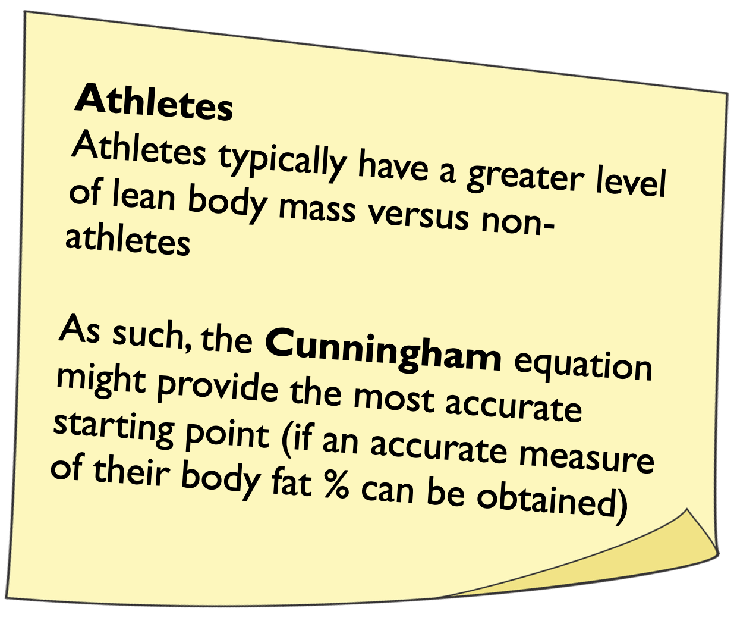
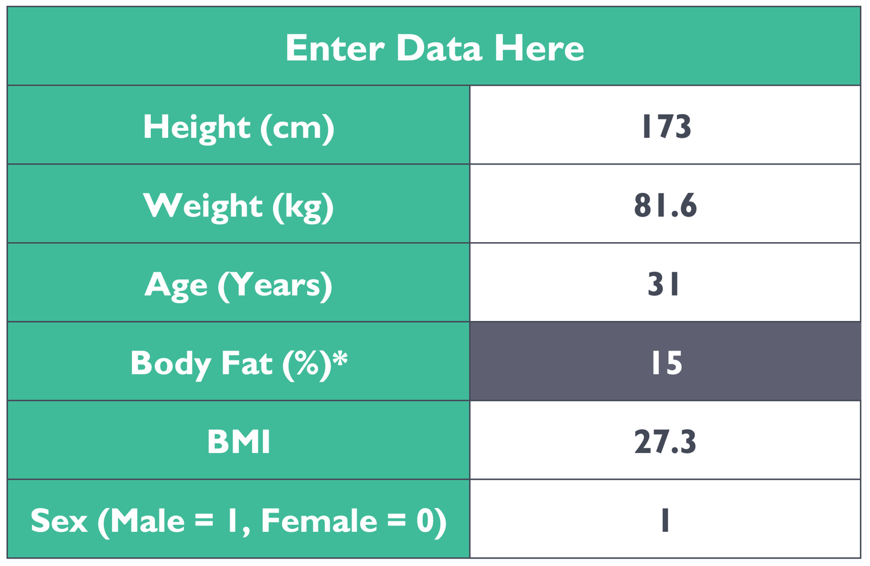 How to use the BMR Calculator |  | 1. On the "BMR Calculator" tab, enter a client's height (cm), weight (kg), age (years), body fat percentage, if known (%), and sex (Male=1, Female=0) |  | 2. If you need to convert ft/lbs to cm/kg, use the 'Metric Converter' tab | 3. Carefully review the BMR outputs & the post-it notes to find the most appropriate equation for the individual
 |  |  | 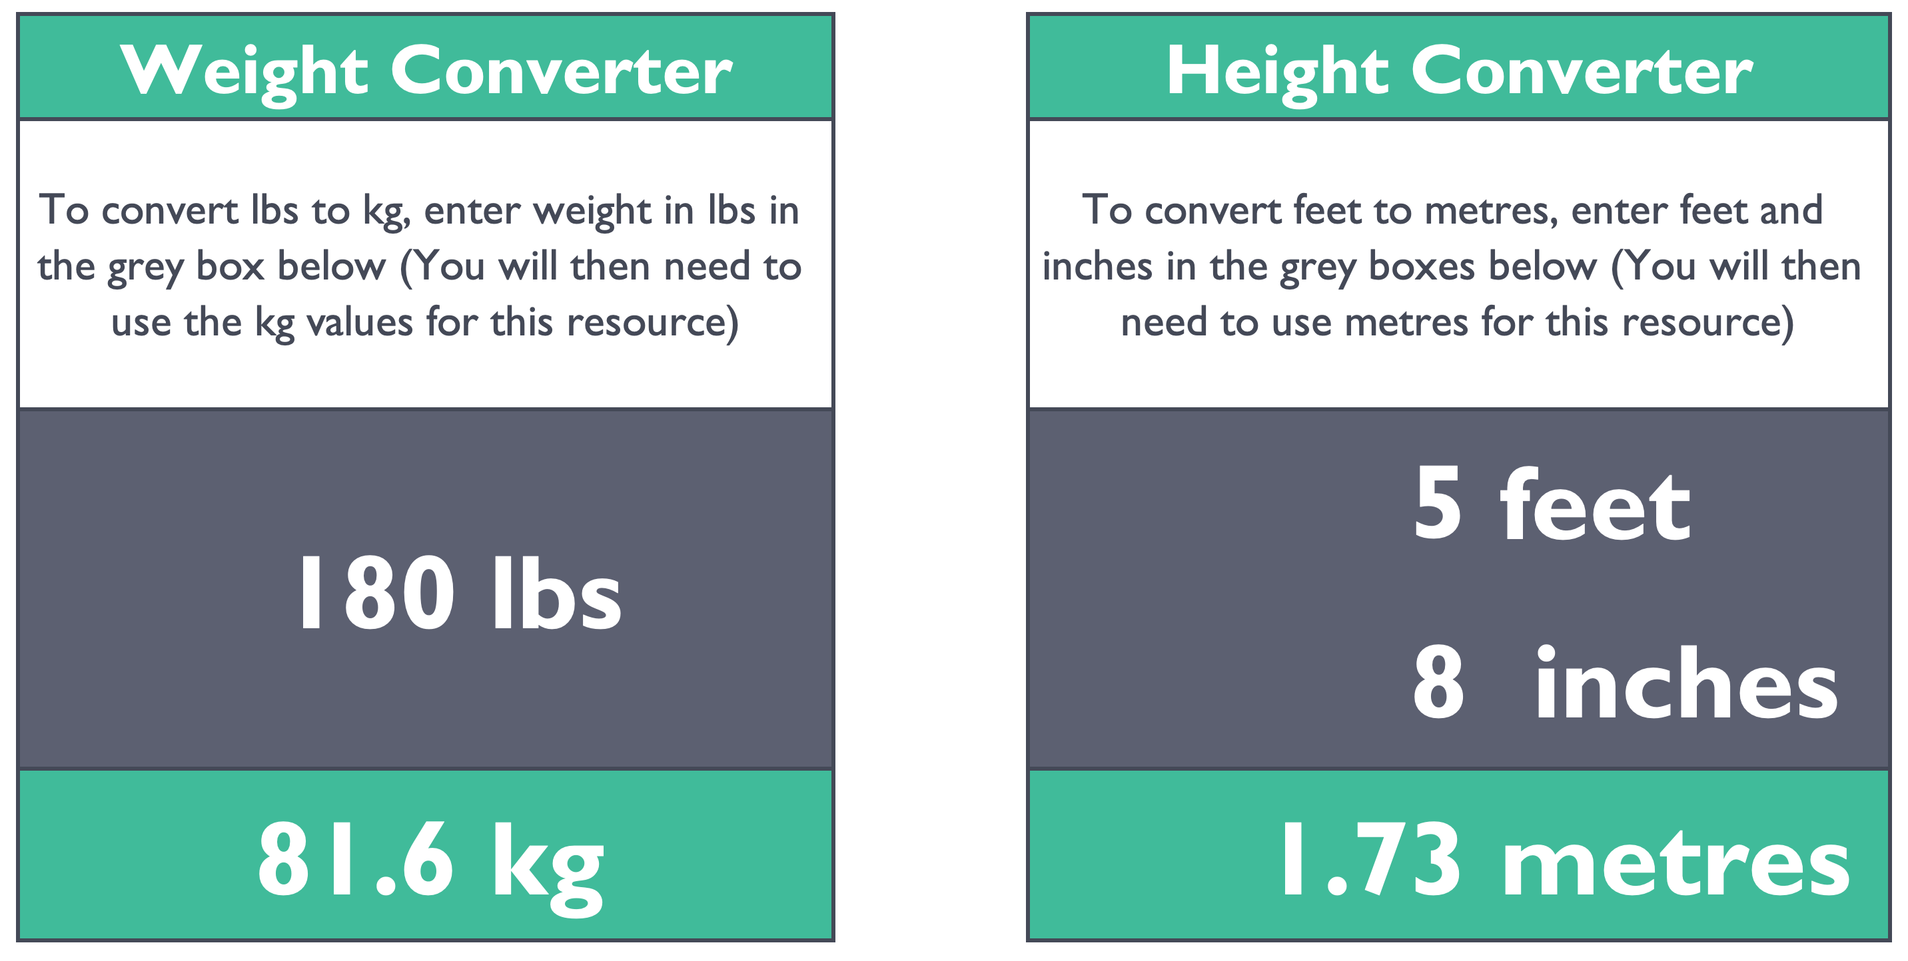

BMR Calculator
BMR Calculator

 | Enter Data Here
 | Height (cm)
 | Weight (kg)
 | Age (Years) |  | <<< Age can influence BMR thus specific predictive equations have been developed for children and older adults
 | Body Fat (%)* |  | <<< Only enter body fat percentage if you know it is an accurate BF% measurement (e.g. from a DXA)
 | BMI | #DIV/0!
 | Sex (Male = 1, Female = 0) | 1 |  |  | MAC MET | 0
Race/Ethnicity
Different equations have been validated for different racial/ethnic groups meaning some equations may give a more accurate starting point/estimate than others for certain races/ethnicities:
Black: Sabounchi, Mifflin St-Jeor
Asian: Singapore, Owen, Liu
Hispanic: Owen
Indian: Soars, Piers and Shetty
 | Adults |  |  | Children (0-18 years)
 | Harris Benedict | 66 |  | Schofield 0-3 years | 415
 | Roza & Shizgal | 88 |  | WHO 3-10 years | 495
 | Mifflin-St Jeor | 5 |  | Sabounchi 3-18 years | 220
 | IOM Adult | 293 |  | WHO 10-18 years | 572
 | Sabounchi (White) | 522 |  | IOM 3-18 years | 79

 | Sabounchi (Black) | 1100
Obesity
It has been observed that adults with obesity may have lower BMR's than adults of a similar height and weight with lower body fat levels (likely due to their lower comparable level of lean mass). The Mifflin St Jeor equation has been shown to be more appropriate for this population group.
 | Singapore | 666 |  | Older Adults
 | Owen | 879 |  | Mifflin-St Jeor | 5
 | Liu | 54 |  | WHO (Older Adult 60+) | -1071
 | Schofield (Adult 18-30) | 658
 | Schofield (Adult 30-60) | 873 |  | Requires Accurate Measurement of BF (%)
 | WHO (Age 18-30) | 717 |  | Cunningham (1980)* | 500
 | WHO (Age 30-60) | 901 |  | Cunningham (1991)* | 370
Athletes
Athletes typically have a greater level of lean body mass versus non-athletes.
As such, the Cunningham equation might provide the most accurate starting point (if an accurate measure of their body fat % can be obtained)
 | Soares, Piers and Shetty | 860

 | Disability Differences in BMR between able bodied individuals and those with physical disabilities can often be explained by differences in lean mass, thus, a predictive equation that accounts for lean body mass such as the Cunningham Equation would be preferable in physically disabled individuals. However, most of the disability research has focused on those with limb amputations or paraplegia, and can therefore not be generalised across all disabilities. Metabolic requirements will vary between amputees and those with spinal cord injury, alongside factors such as the level of injury or immobilisation. Furthermore, some conditions may induce tremors that increase metabolic rate. Results from predictive equations within this population group should therefore be treated with caution.

TDEE Instructions
TDEE Calculator Instructions
Metabolic Equivalent of Task (MET) values have been created to estimate energy expenditure during a range of activities. This can be particularly useful when working with athletes and highly active individuals with high exercise energy expenditures. This resource will allow you to calculate total daily and weekly energy expenditure for your clients based on their training schedule. A really important consideration when using MET values to calculate energy expenditure is that the timing refers to the time spent performing the exercise, not necessarily the session length. For example whilst a client might spend 1 hour 'lifting weights' in the gym, they may only actually spend 30 minutes of that time performing the exercises or 'working', whilst the rest of the time is spent resting between sets.

How to use the TDEE Calculator | 1. Calculate BMR using the "BMR Calculator" tab then enter the most appropriate BMR value in the 'BMR' Cell at the top of the "Exercise Energy Expenditure" tab | 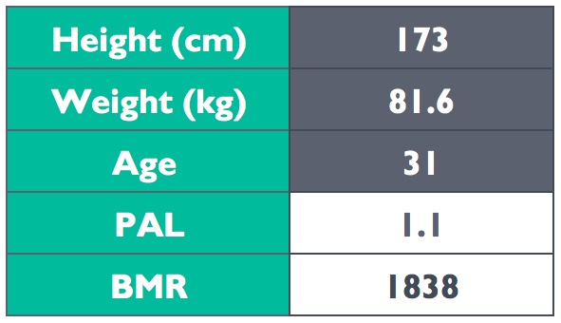 | 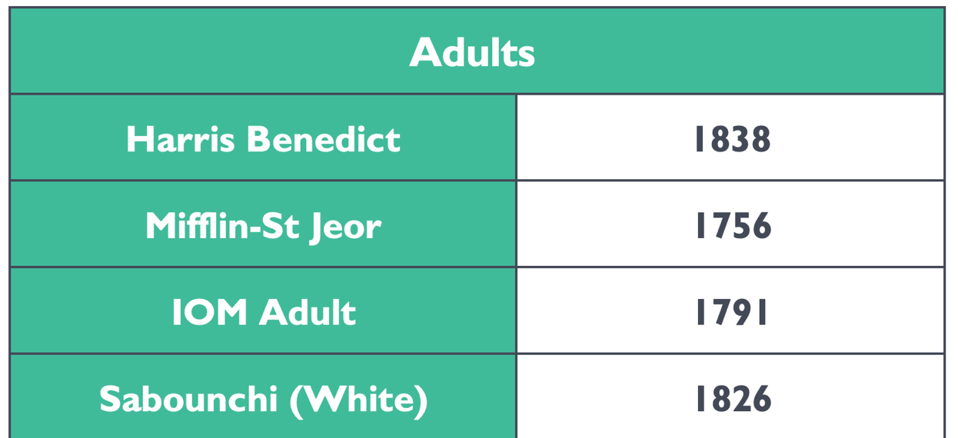
 | 2. Select an appropriate PAL using the "Physical Activity Level Table" tab | 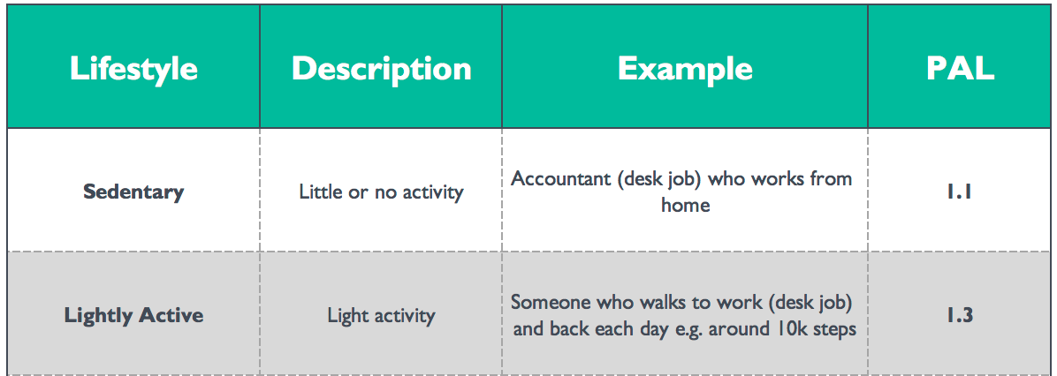

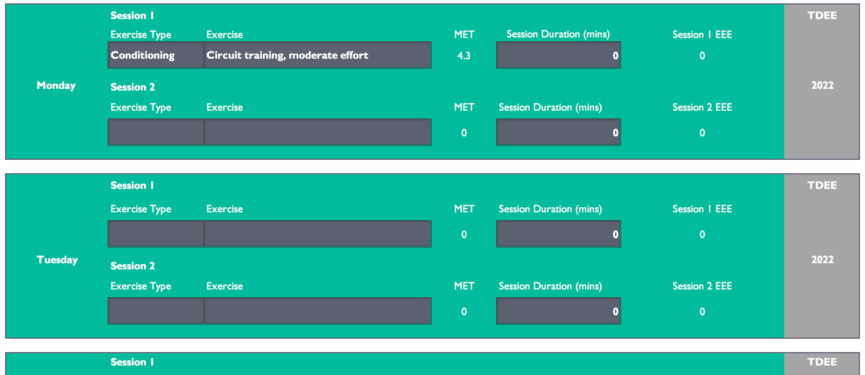
 | 3. Enter the type, exercise and duration for each session in the "Exercise Energy Expenditure" tab to establish TDEE!

Physical Activity Level Table
Selecting PAL
Remember:
It is just a starting point!
DO NOT include exercise within this estimation (daily physical activity can be included)
Picking a wildly inaccurate PAL will signficantly change a client's kcal estimation so try and be as accurate as possible!
 | Lifestyle | Description | Example | PAL
 | Sedentary | Little or no activity | Accountant (desk job) who works from home | 1.1
 | Lightly Active | Light activity | Someone who walks to work (desk job) and back each day e.g. around 10k steps | 1.3
Err on the side of caution:
Don’t overestimate with a weight loss client!
Don’t underestimate with a weight gain client!
 | Moderately Active | Moderate activity levels | Someone who is on their feet for most of their day e.g. stacking shelves in a supermarket | 1.5
 | Very Active | Hard daily activity | A labourer who spends their long, working day on a building site | 1.7+

Exercise Energy Expenditure


Height, weight and age are pulled through from the "BMR Calculator" tab. You just need to add your chosen BMR, select an appropriate PAL (use the "Physical Activity Level Table' tab as a guide) & enter the exercise for the week below!
EEE:
The EEE calculator will automatically remove (BMR x PAL) energy expenditure from TDEE for the exercise time period so you don't have to!
Height (cm) | 0 |  |  | Total Weekly Energy Expenditure (TWEE)
Weight (kg) | 0
Age | 0 |  |  | 0.0
PAL |  |  |  | Average TDEE
BMR |  |  |  | 0.0

 | Session 1 |  |  |  |  | TDEE
Monday | Exercise Type | Exercise | MET | Session Duration (mins) | Session 1 EEE | 0
 |  |  | 0 |  | 0
 | Session 2
 | Exercise Type | Exercise | MET | Session Duration (mins) | Session 2 EEE
 |  |  | 0 |  | 0

 | Session 1 |  |  |  |  | TDEE
Tuesday | Exercise Type | Exercise | MET | Session Duration (mins) | Session 1 EEE | 0
 |  |  | 0 |  | 0
 | Session 2
 | Exercise Type | Exercise | MET | Session Duration (mins) | Session 2 EEE
 |  |  | 0 | 0 | 0

 | Session 1 |  |  |  |  | TDEE
Wednesday | Exercise Type | Exercise | MET | Session Duration (mins) | Session 1 EEE | 0
 |  |  | 0 | 0 | 0
 | Session 2
 | Exercise Type | Exercise | MET | Session Duration (mins) | Session 2 EEE
 |  |  | 0 | 0 | 0

 | Session 1 |  |  |  |  | TDEE
Thursday | Exercise Type | Exercise | MET | Session Duration (mins) | Session 1 EEE | 0
 |  |  | 0 | 0 | 0
 | Session 2
 | Exercise Type | Exercise | MET | Session Duration (mins) | Session 2 EEE
 |  |  | 0 | 0 | 0

 | Session 1 |  |  |  |  | TDEE
Friday | Exercise Type | Exercise | MET | Session Duration (mins) | Session 1 EEE | 0
 |  |  | 0 | 0 | 0
 | Session 2
 | Exercise Type | Exercise | MET | Session Duration (mins) | Session 2 EEE
 |  |  | 0 | 0 | 0

 | Session 1 |  |  |  |  | TDEE
Saturday | Exercise Type | Exercise | MET | Session Duration (mins) | Session 1 EEE | 0
 |  |  | 0 | 0 | 0
 | Session 2
 | Exercise Type | Exercise | MET | Session Duration (mins) | Session 2 EEE
 |  |  | 0 | 0 | 0

 | Session 1 |  |  |  |  | TDEE
Sunday | Exercise Type | Exercise | MET | Session Duration (mins) | Session EEE | 0
 |  |  | 0 | 0 | 0
 | Session 2
 | Exercise Type | Exercise | MET | Session Duration (mins) | Session EEE
 |  |  | 0 | 0 | 0

